Fluid & Blower Information
AIR PROPERTIES: |  |  |  | BLOWER CHARACTERISTICS:
n = K-1/K = | 0.2867 |  |  | Efficiency = | 60% | https://www.engineeringtoolbox.com/air-specific-heat-various-pressures-d_1535.html
K = Cp/Cv = | 1.40
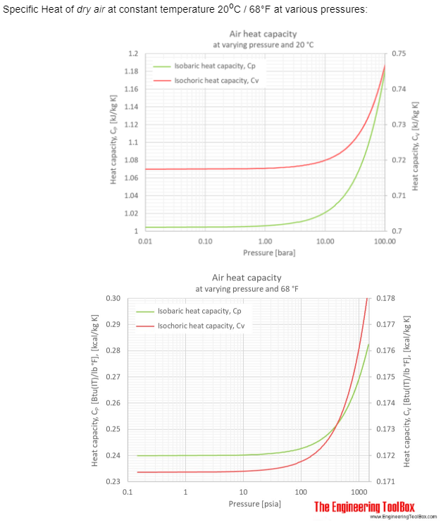
Cp = | 0.2403 | Btu/lbm-°R
Cv = | 0.1714 | Btu/lbm-°R

Gas Costant (R) = | R*/M = | 53.35 | ft-lbf/lbm-°R
R* = | 1545.33 | ft-lbf/lbmol-°R
M = | 28.967 | lbm/lbmol

hd - hi = Cp(Td-Ti)

eff = (hdid - hi)/(hd - hi)

 |  |  |  |  |  | Specific Heat of dry air at constant temperature 20oC / 68°F at varying pressures:

 |  |  |  |  |  | Pressure |  |  | Isobaric Specific Heat, Cp |  |  |  | Isochoric Specific Heat, Cv |  |  |  | Specific Heat Ratio
 |  |  |  |  |  | [atm] | [psia] | [kPa] | [kJ/(kg K)] | [kWh/(kg K)] | [kcal/(kg °C)], | [kcal/(lb °F)] | [kJ/(kg K)] | [kWh/(kg K)] | [kcal/(kg °C)], | [kcal/(lb °F)] | Cp/Cv
 |  |  |  |  |  |  |  |  |  |  | [Btu/(lb °F)] |  |  |  | [Btu/(lb °F)]
 |  |  |  |  |  | 0.01 | 0.147 | 1.01325 | 1.0045 | 0.00027903 | 0.2399 | 0.1959 | 0.7174 | 0.00019928 | 0.1713 | 0.1399 | 1.4002
 |  |  |  |  |  | 0.1 | 1.47 | 10.1325 | 1.0049 | 0.00027914 | 0.24 | 0.196 | 0.71763 | 0.00019934 | 0.1714 | 0.1399 | 1.4003
 |  |  |  |  |  | 0.4 | 5.88 | 40.53 | 1.0053 | 0.00027925 | 0.2401 | 0.196 | 0.71766 | 0.00019935 | 0.1714 | 0.14 | 1.4008
 |  |  |  |  |  | 11) | 14.7 | 101.325 | 1.0061 | 0.00027947 | 0.2403 | 0.1962 | 0.71767 | 0.00019935 | 0.1714 | 0.14 | 1.4019
 |  |  |  |  |  | 7 | 102.9 | 709.28 | 1.0162 | 0.00028228 | 0.2427 | 0.1982 | 0.71913 | 0.00019976 | 0.1718 | 0.1402 | 1.4131
 |  |  |  |  |  | 10 | 147 | 1013.25 | 1.0216 | 0.00028378 | 0.244 | 0.1992 | 0.72005 | 0.00020001 | 0.172 | 0.1404 | 1.4188
 |  |  |  |  |  | 40 | 588 | 4053 | 1.0756 | 0.00029878 | 0.2569 | 0.2098 | 0.72858 | 0.00020238 | 0.174 | 0.1421 | 1.4763
 |  |  |  |  |  | 70 | 1029 | 7092.8 | 1.1305 | 0.00031403 | 0.27 | 0.2205 | 0.73778 | 0.00020494 | 0.1762 | 0.1439 | 1.5323
 |  |  |  |  |  | 100 | 1470 | 10132.5 | 1.1824 | 0.00032845 | 0.2824 | 0.2306 | 0.74703 | 0.00020751 | 0.1784 | 0.1457 | 1.5828

 |  |  |  |  |  | 1) Standard atmosphere

Power Efficiency Calculator
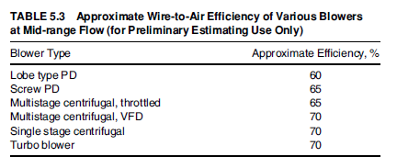
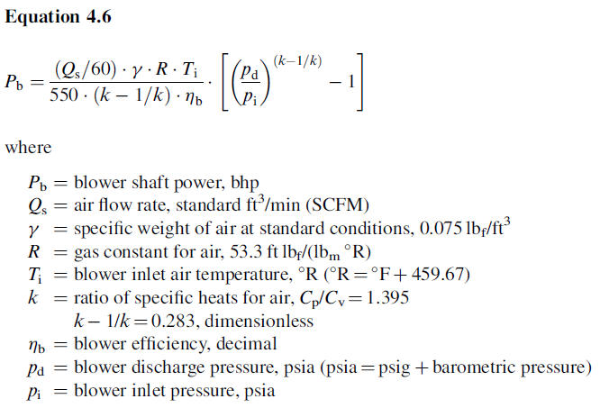
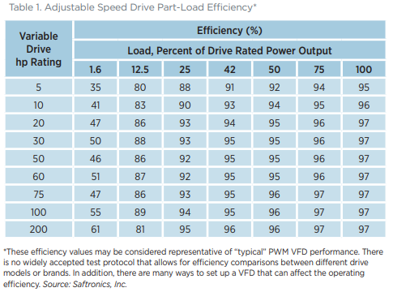
 |  | Blower #1 (rated) |  |  |  |  |  | Aeration Control System Design -- Thomas E. Jenkins | U.S. DOE Energy Efficiency & Renewable Energy – Motor Systems Tip Sheet #11: Adjustable Speed Drive Part-Load Efficiency
Parameter (unit) | Symbol | Guaranteed | Tested | Specified | Adjusted | Example | Example
Flow (SCFM) | Qs | 5,000 | 4,389 | 4,389 | 5,000 | 7,000 | 360
Specific weight of air at standard conditions (lbf/ft3) | γ | 0.075 | 0.075 | 0.075 | 0.075 | 0.075 | 0.075
Gas constant for air (ft.lbf/(lbm.°R) | R | 53.3 | 53.3 | 53.3 | 53.3 | 53.3 | 53.3
Blower inlet air temperature (°R) -- (°R = °F + 459.67) | Ti | 527.67 | 526.07 | 527.67 | 527.67 | 559.67 | 519.67
Ratio of specific heats for air (Cp/Cv = 1.395) | k | 1.395 | 1.395 | 1.395 | 1.395 | 1.395 | 1.395
 | k-1/k | 0.283 | 0.283 | 0.283 | 0.283 | 0.283 | 0.283
Blower efficiency (decimal) | ηb | 0.723 | 0.852 | 0.852 | 0.858 | 0.800 | 0.700
Blower discharge pressure (psia) -- (psia = psig + barometric pressure) | Pd | 18.70 | 19.32 | 19.37 | 18.70 | 24.4 | 23.2
Blower inlet pressure (psia) -- (psia = - inlet losses + barometric pressure) | Pi | 14.70 | 14.65 | 14.70 | 14.70 | 13.9 | 14.6
Barometric Pressure (psia) | Pamb | 14.70 | 14.70 | 14.70 | 14.70 | 14.4 | 14.7

Blower shaft power (bhp) | Pb | 110.09 | 94.48 | 94.48 | 92.79 | 361.86 | 16.0

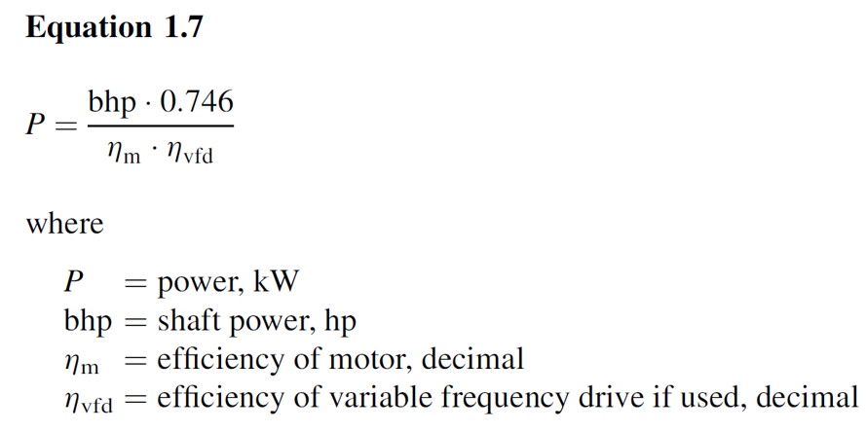
Wire power, kW | P | 91.00 | 78.10 | 78.10 | 76.70 | 299.11 | 13.20
Wire to air efficiency (decimal) | ηwa | 0.65 | 0.77 | 0.77 | 0.77 | 0.72 | 0.63
Efficiency of motor (decimal) | ηm | 0.95 | 0.95 | 0.95 | 0.95 | 0.95 | 0.95
Efficiency of variable frequency drive if used, (decimal) | ηvfd | 0.95 | 0.95 | 0.95 | 0.95 | 0.95 | 0.95
 |  |  |  |  |  |  |  |  | Lone Star Blowers
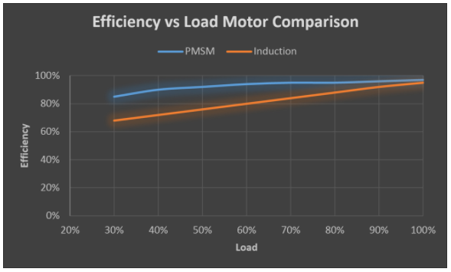

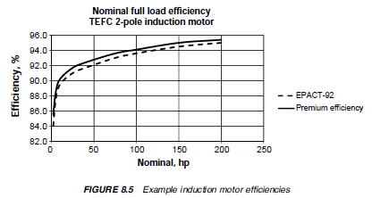
 | Legend
 | 5,000 | Input values
 | 0.80 | Assumed input
 | 82.00 | Calculated

